Sheet1
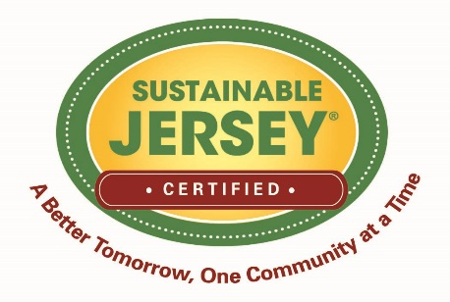


 | Sustainable Jersey Grants Program Budgeted vs. Actual Expenditures Template

The sample budget template is available here in an editable form. It is provided for your convenience. You do not have to use this template to meet our requirements, but you must provide a comparison of the itemized budget included in your grant proposal with the actual grant expenditures. Simply insert rows in each section if you have additional line items.

Applicant Name:

A. SALARIES, WAGES, AND FRINGE BENEFITS
Name | Sustainable Jersey Grant Funds Budgeted | Sustainable Jersey Grant Funds Actual Expenses | Invoice, P.O, Check # | In-Kind or Other Contributions | Explanation of Deviations

 | $- | $-

B. SUBCONTRACTORS/CONSULTANT COSTS
Subcontractor/Consultant | Sustainable Jersey Grant Funds Budgeted | Sustainable Jersey Grant Funds Actual Expenses | Invoice, P.O, Check # | In-Kind or Other Contributions | Explanation of Deviations

 | $- | $-

C. ITEMIZED EQUIPMENT
Item | Sustainable Jersey Grant Funds Budgeted | Sustainable Jersey Grant Funds Actual Expenses | Invoice, P.O, Check # | In-Kind or Other Contributions | Explanation of Deviations

 | $- | $-

D. ITEMIZED SUPPLIES
Item | Sustainable Jersey Grant Funds Budgeted | Sustainable Jersey Grant Funds Actual Expenses | Invoice, P.O, Check # | In-Kind or Other Contributions | Explanation of Deviations

 | $- | $-

E. OTHER ITEMIZED EXPENSES
Item | Sustainable Jersey Grant Funds Budgeted | Sustainable Jersey Grant Funds Actual Expenses | Invoice, P.O, Check # | In-Kind or Other Contributions | Explanation of Deviations

 | $- | $-

 | $- | $- |  | $-

